Report
 |  |  |  | Crystal Ball Report - Full
 |  |  |  | Simulation started on 7/8/2026 at 11:46 PM
 |  |  |  | Simulation stopped on 7/9/2026 at 12:09 AM

 | Run preferences:
 |  | Number of trials run | 100,000
 |  | Monte Carlo
 |  | Random seed
 |  | Precision control on
 |  | Confidence level | 95.00%

 | Run statistics:
 |  | Total running time (sec) | 1149.95
 |  | Trials/second (average) | 87
 |  | Random numbers per sec | 783

 | Crystal Ball data:
 |  | Assumptions | 9
 |  | Correlations | 0
 |  | Correlation matrices | 0
 |  | Decision variables | 0
 |  | Forecasts | 5

 |  |  |  | Forecasts

Worksheet: [CRMLFHModel-V-3.2-07-08-2026.xlsx]Figures OUTPUT

Forecast: CO2 emissions 2050 |  |  |  |  | Cell: C4

 | Summary:
 |  | Entire range is from 1.13 to 2.62
 |  | Base case is 1.50
 |  | After 100,000 trials, the std. error of the mean is 0.00

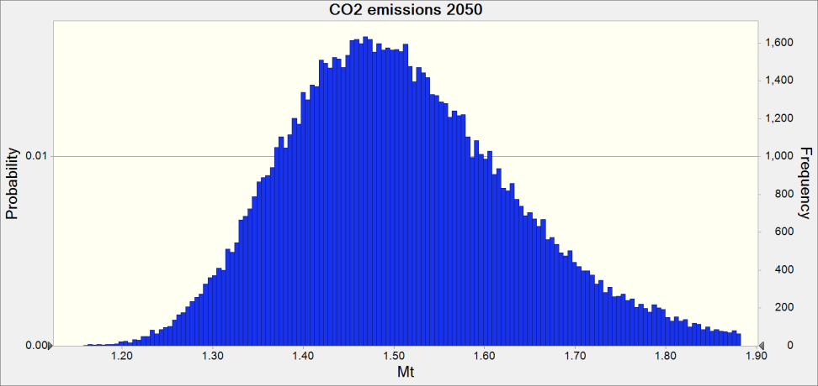

 | Statistics: |  | Forecast values
 |  | Trials | 100,000
 |  | Base Case | 1.50
 |  | Mean | 1.51
 |  | Median | 1.50
 |  | Mode | ---
 |  | Standard Deviation | 0.13
 |  | Variance | 0.02
 |  | Skewness | 0.7346
 |  | Kurtosis | 4.22
 |  | Coeff. of Variation | 0.0874
 |  | Minimum | 1.13
 |  | Maximum | 2.62
 |  | Range Width | 1.49
 |  | Mean Std. Error | 0.00

Forecast: CO2 emissions 2050 (cont'd) |  |  |  |  | Cell: C4

 | Percentiles: |  | Forecast values
 |  | 0% | 1.13
 |  | 10% | 1.36
 |  | 20% | 1.40
 |  | 30% | 1.44
 |  | 40% | 1.47
 |  | 50% | 1.50
 |  | 60% | 1.53
 |  | 70% | 1.57
 |  | 80% | 1.61
 |  | 90% | 1.68
 |  | 100% | 2.62

Forecast: CO2 emissions reduction by 2050 (%) |  |  |  |  | Cell: E4

 | Summary:
 |  | Entire range is from 62.60 to 83.82
 |  | Base case is 78.51
 |  | After 100,000 trials, the std. error of the mean is 0.01

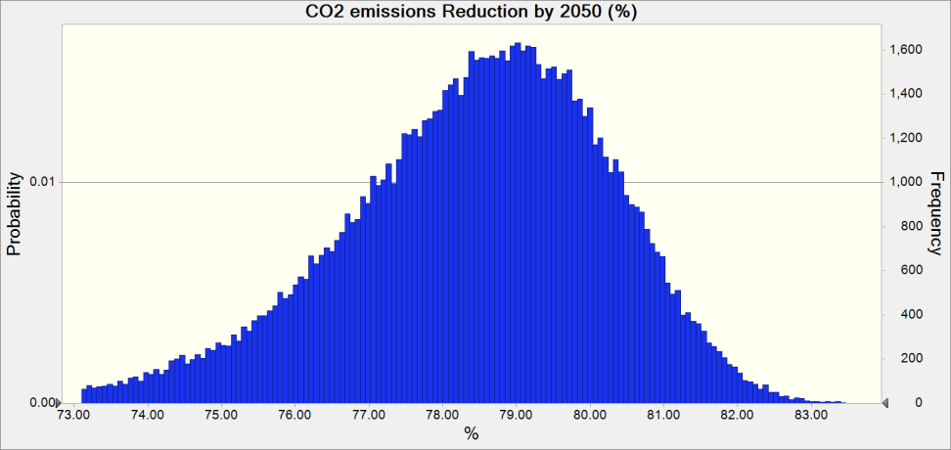

 | Statistics: |  | Forecast values
 |  | Trials | 100,000
 |  | Base Case | 78.51
 |  | Mean | 78.39
 |  | Median | 78.59
 |  | Mode | ---
 |  | Standard Deviation | 1.89
 |  | Variance | 3.56
 |  | Skewness | -0.7346
 |  | Kurtosis | 4.22
 |  | Coeff. of Variation | 0.0241
 |  | Minimum | 62.60
 |  | Maximum | 83.82
 |  | Range Width | 21.22
 |  | Mean Std. Error | 0.01

Forecast: CO2 emissions reduction by 2050 (%) (cont'd) |  |  |  |  | Cell: E4

 | Percentiles: |  | Forecast values
 |  | 0% | 62.60
 |  | 10% | 75.93
 |  | 20% | 76.93
 |  | 30% | 77.59
 |  | 40% | 78.13
 |  | 50% | 78.59
 |  | 60% | 79.03
 |  | 70% | 79.48
 |  | 80% | 79.97
 |  | 90% | 80.61
 |  | 100% | 83.82

Forecast: Hydrogen export revenues in 2050 (% of GDP) |  |  |  |  | Cell: C8

 | Summary:
 |  | Entire range is from 2.39 to 32.12
 |  | Base case is 10.15
 |  | After 100,000 trials, the std. error of the mean is 0.01

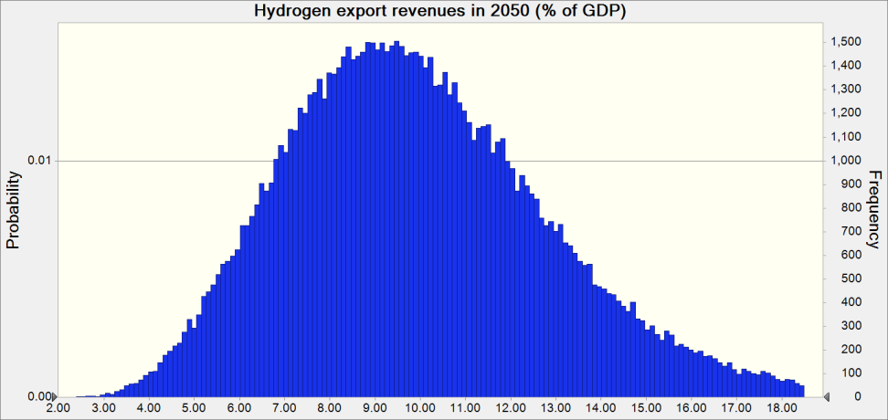

 | Statistics: |  | Forecast values
 |  | Trials | 100,000
 |  | Base Case | 10.15
 |  | Mean | 10.02
 |  | Median | 9.71
 |  | Mode | ---
 |  | Standard Deviation | 3.03
 |  | Variance | 9.16
 |  | Skewness | 0.7104
 |  | Kurtosis | 4.01
 |  | Coeff. of Variation | 0.3021
 |  | Minimum | 2.39
 |  | Maximum | 32.12
 |  | Range Width | 29.73
 |  | Mean Std. Error | 0.01

Forecast: Hydrogen export revenues in 2050 (% of GDP) (cont'd) |  |  |  |  | Cell: C8

 | Percentiles: |  | Forecast values
 |  | 0% | 2.39
 |  | 10% | 6.42
 |  | 20% | 7.45
 |  | 30% | 8.26
 |  | 40% | 8.99
 |  | 50% | 9.71
 |  | 60% | 10.47
 |  | 70% | 11.33
 |  | 80% | 12.38
 |  | 90% | 13.96
 |  | 100% | 32.12

Forecast: Share of the new sector in 2050 (%) |  |  |  |  | Cell: H8

 | Summary:
 |  | Entire range is from 68.15 to 91.46
 |  | Base case is 82.44
 |  | After 100,000 trials, the std. error of the mean is 0.01

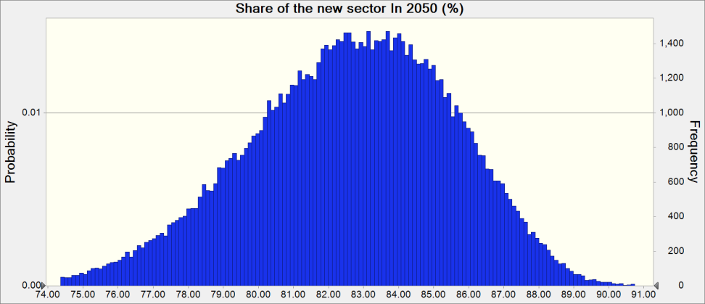

 | Statistics: |  | Forecast values
 |  | Trials | 100,000
 |  | Base Case | 82.44
 |  | Mean | 82.60
 |  | Median | 82.77
 |  | Mode | ---
 |  | Standard Deviation | 2.94
 |  | Variance | 8.67
 |  | Skewness | -0.3372
 |  | Kurtosis | 2.95
 |  | Coeff. of Variation | 0.0356
 |  | Minimum | 68.15
 |  | Maximum | 91.46
 |  | Range Width | 23.31
 |  | Mean Std. Error | 0.01

Forecast: Share of the new sector in 2050 (%) (cont'd) |  |  |  |  | Cell: H8

 | Percentiles: |  | Forecast values
 |  | 0% | 68.15
 |  | 10% | 78.67
 |  | 20% | 80.12
 |  | 30% | 81.14
 |  | 40% | 82.00
 |  | 50% | 82.77
 |  | 60% | 83.55
 |  | 70% | 84.32
 |  | 80% | 85.18
 |  | 90% | 86.27
 |  | 100% | 91.46

Worksheet: [CRMLFHModel-V-3.2-07-08-2026.xlsx]OUTPUT

Forecast: GDP per capita 2050 |  |  |  |  | Cell: AB7

 | Summary:
 |  | Entire range is from 3.84 to 12.16
 |  | Base case is 6.46
 |  | After 100,000 trials, the std. error of the mean is 0.00

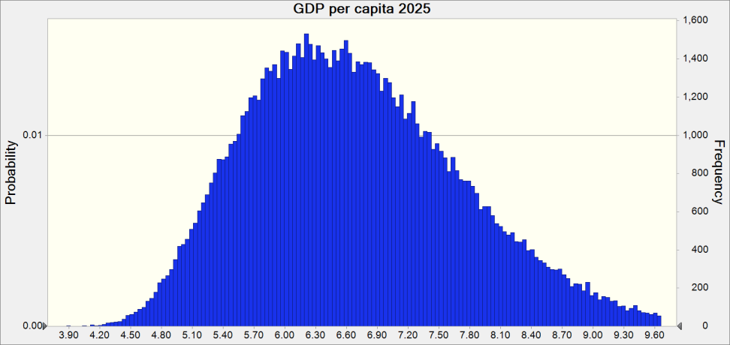

 | Statistics: |  | Forecast values
 |  | Trials | 100,000
 |  | Base Case | 6.46
 |  | Mean | 6.70
 |  | Median | 6.60
 |  | Mode | ---
 |  | Standard Deviation | 1.06
 |  | Variance | 1.12
 |  | Skewness | 0.5483
 |  | Kurtosis | 3.22
 |  | Coeff. of Variation | 0.1577
 |  | Minimum | 3.84
 |  | Maximum | 12.16
 |  | Range Width | 8.32
 |  | Mean Std. Error | 0.00

Forecast: GDP per capita 2050 (cont'd) |  |  |  |  | Cell: AB7

 | Percentiles: |  | Forecast values
 |  | 0% | 3.84
 |  | 10% | 5.42
 |  | 20% | 5.78
 |  | 30% | 6.06
 |  | 40% | 6.33
 |  | 50% | 6.60
 |  | 60% | 6.88
 |  | 70% | 7.19
 |  | 80% | 7.58
 |  | 90% | 8.13
 |  | 100% | 12.16

End of Forecasts
 |  |  |  | Assumptions

Worksheet: [CRMLFHModel-V-3.2-07-08-2026.xlsx]ENERGY

Assumption: CO2 price in 2050 |  |  |  |  | Cell: C23

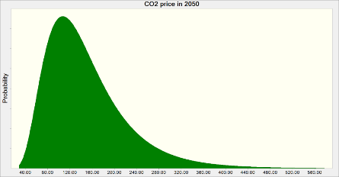
 | Lognormal distribution with parameters:
 |  | Location | 0.00
 |  | Mean | 150.00
 |  | Std. Dev. | 75.00

Assumption: H2 price $Mn/Mt |  |  |  |  | Cell: D19

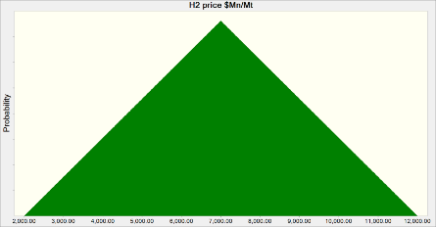
 | Triangular distribution with parameters:
 |  | Minimum | 2,000.00
 |  | Likeliest | 7,000.00
 |  | Maximum | 12,000.00

Assumption: PV cost annual reduction rate |  |  |  |  | Cell: C27

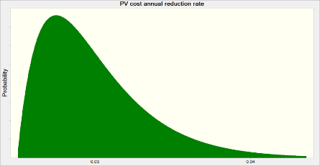
 | Gamma distribution with parameters:
 |  | Location | 0.03
 |  | Scale | 0.00
 |  | Shape | 2

Worksheet: [CRMLFHModel-V-3.2-07-08-2026.xlsx]NEW

Assumption: TFP (New Sector) |  |  |  |  | Cell: C18

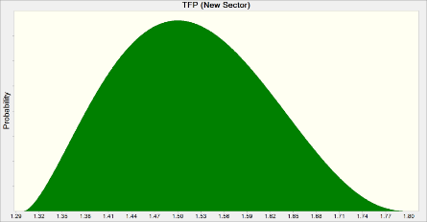
 | BetaPERT distribution with parameters:
 |  | Minimum | 1.30
 |  | Likeliest | 1.50
 |  | Maximum | 1.80

Assumption: TFP annual growth rate (New Sector) |  |  |  |  | Cell: H17

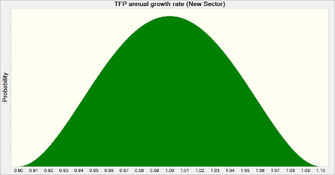
 | BetaPERT distribution with parameters:
 |  | Minimum | 0.90
 |  | Likeliest | 1.00
 |  | Maximum | 1.10

Assumption: WACC in 2050 (New Sector) |  |  |  |  | Cell: C5

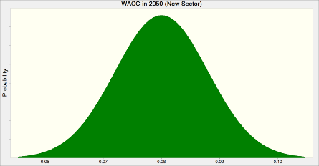
 | Normal distribution with parameters:
 |  | Mean | 0.08
 |  | Std. Dev. | 0.01

Worksheet: [CRMLFHModel-V-3.2-07-08-2026.xlsx]OLD

Assumption: TFP annual growth rate (Old Sector) |  |  |  |  | Cell: H17

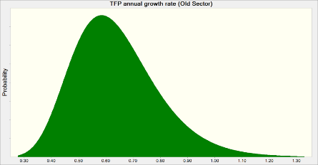
 | Lognormal distribution with parameters:
 |  | Location | 0.00
 |  | Mean | 0.64
 |  | Std. Dev. | 0.16

Assumption: WACC in 2050 (Old Sector) |  |  |  |  | Cell: C5

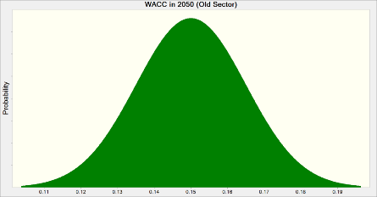
 | Normal distribution with parameters:
 |  | Mean | 0.15
 |  | Std. Dev. | 0.02

Worksheet: [CRMLFHModel-V-3.2-07-08-2026.xlsx]TRANSITION

Assumption: Share of intermediate and advanced levels of education (%) |  |  |  |  | Cell: D10

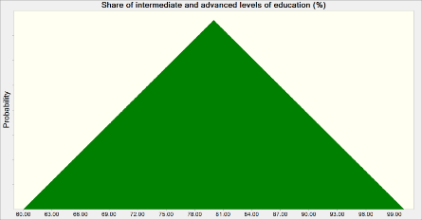
 | Triangular distribution with parameters:
 |  | Minimum | 60.00
 |  | Likeliest | 80.00
 |  | Maximum | 100.00

End of Assumptions
 |  |  |  | Sensitivity Charts

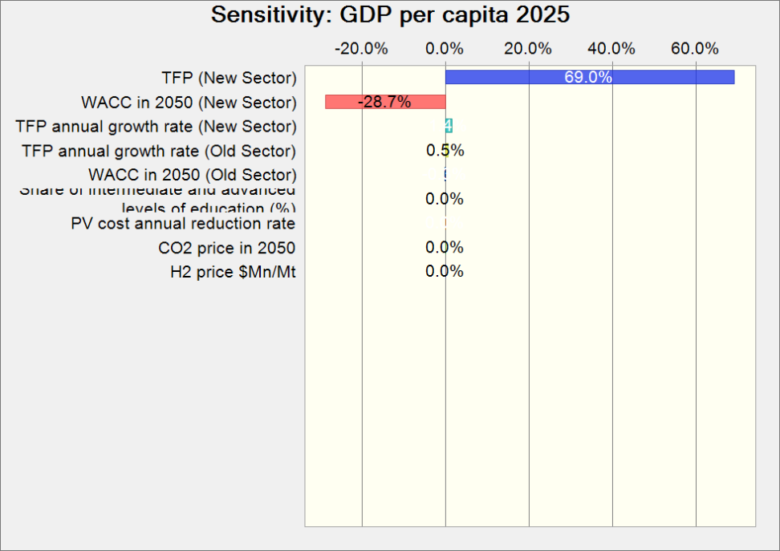

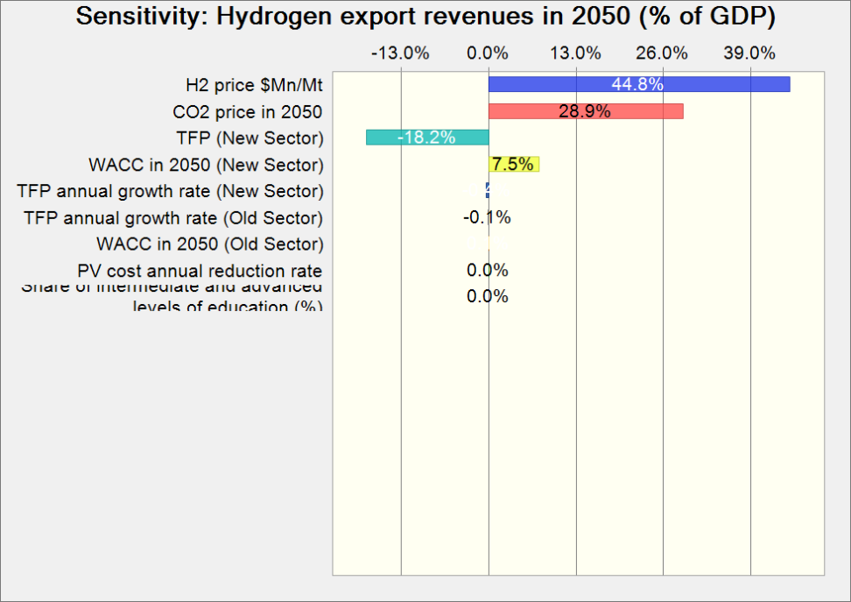

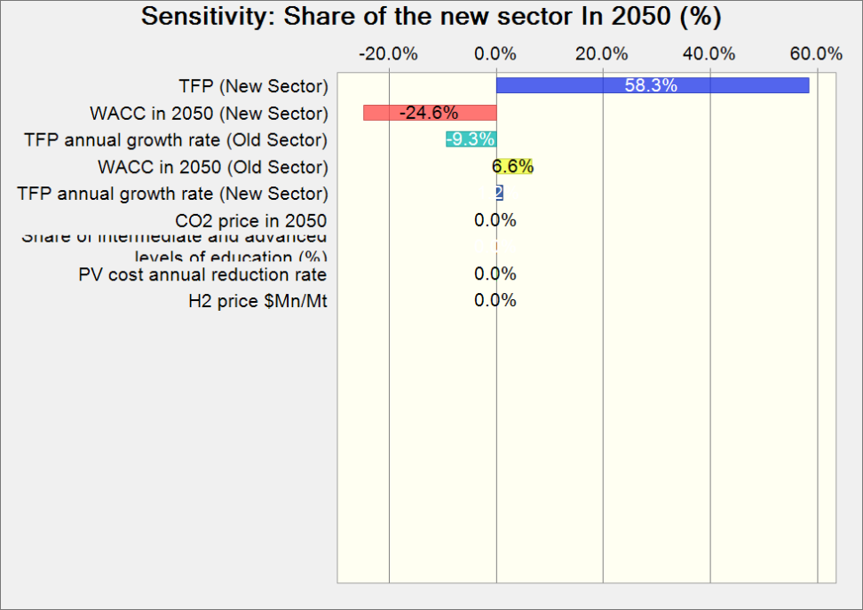

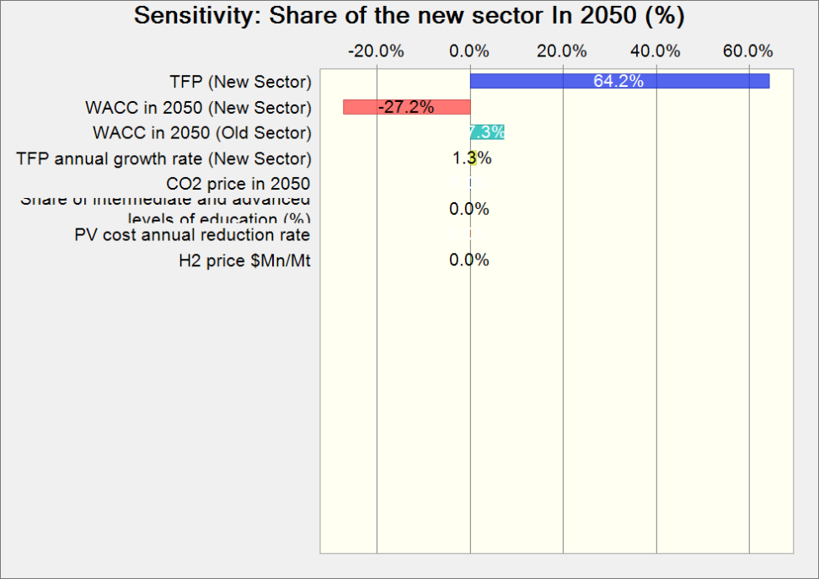

End of Sensitivity Charts

