Composition electrode product
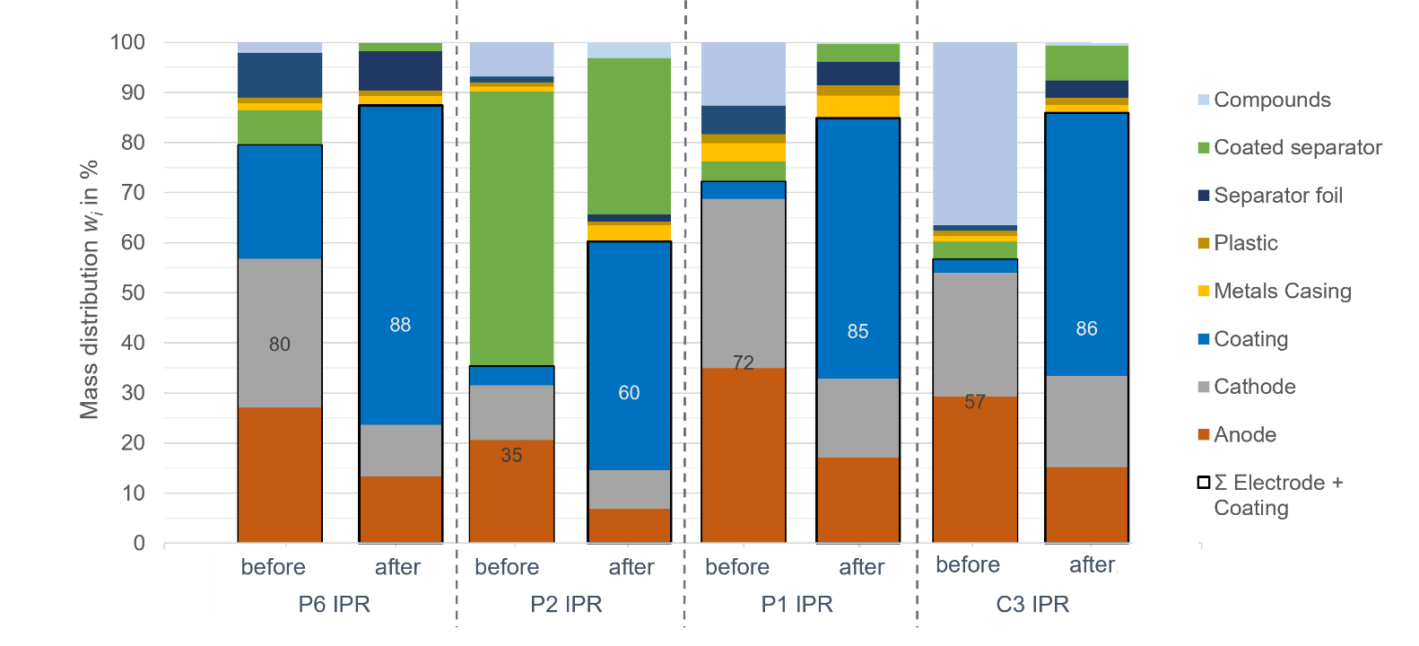
Composition of electrode products before and after the second comminution

Values are gained by manual sorting of the electrode fraction before and after the second comminution.

The mass distributions are calculated by:

with:
mi | = | mass of the individual component
mTotal | = | total mass of product

Composition of IPR cells before and after the second crushing
 | the average was calculated from 2 experiments
 | P6 IPR |  | P2 IPR |  | P1 IPR |  | C3 IPR
 | Average composition in %
 | before | after | before | after | before | after | before | after
Coating | 27.1 | 63.9 | 20.6 | 45.7 | 34.9 | 52.0 | 29.3 | 52.5
Anode | 29.8 | 13.3 | 10.8 | 6.8 | 33.9 | 17.1 | 24.7 | 15.2
Cathode | 1.4 | 10.3 | 0.9 | 7.8 | 3.7 | 15.8 | 1.2 | 18.3
Metals Casing | 1.1 | 1.9 | 0.9 | 3.2 | 1.7 | 4.6 | 1.0 | 1.5
Plastic | 8.9 | 1.1 | 1.1 | 0.7 | 5.8 | 2.0 | 1.2 | 1.4
Separator foil | 6.8 | 7.8 | 54.9 | 1.4 | 4.0 | 4.7 | 3.4 | 3.5
Coated separator | 22.7 | 1.6 | 3.9 | 31.4 | 3.4 | 3.5 | 2.7 | 6.9
Compounds | 2.1 | 0.0 | 6.8 | 3.0 | 12.6 | 0.3 | 36.5 | 0.6
Ʃ Electrode + Coating | 79.6 | 87.6 | 35.4 | 60.3 | 72.2 | 84.9 | 56.7 | 86.0

Change of coated separator
Mass change of coated separator foil

Values are determined by manual sorting of the coated separator before and after the second crushing.

$$mass difference=\left(1−\frac{m_{after second crushing}}{m_{before second crushing}}\right)∙100$$
The mass change is calculated by:

 | Mass and mass change of coated separator

 |  |  | P1 IPR | P2 IPR | P6 IPR | C3 IPR
 |  |  | mass of coated separator in g
 |  | before TRM | 8.9 | 148.8 | 45.3 | 7.3
 |  | after TRM | 8.5 | 81.6 | 9.5 | 14.5
 |  | difference in % | -4 | -45 | -79 | 99

